Sheet1
Real Estate Application work flow (User Story) |  |  | 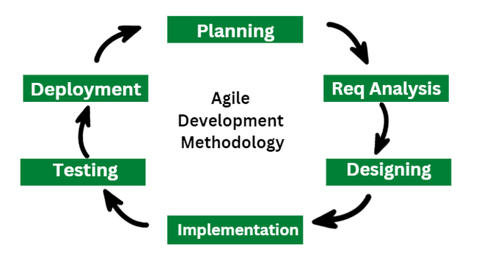

User Type | Key | Value(User Story)
As Buyer | Registration | As Buyer, I can registering for the application by antering my email, Password, & Confirming Password.
 |  | As Buyer, I will receive a confirmation email once I have register for application.
 | Login | As Buyer, I can log in nto a application by entering my user id and password.
 |  | As Buyer, I can reset my password, through the forgotten my password.
 | Property Search | As a home buyer, I want to search for properties by location, price, and type so that I can find homes that fit my budget and preferences.
 | Property Comparison | As a home buyer, I want to compare multiple properties side by side so that I can make an informed decision.
 | View Property Details | As a home buyer, I want to view detailed property information (photos, descriptions, floor plans) so that I can assess if the property meets my needs.
 | Schedule a Viewing | As a home buyer, I want to schedule an appointment with the agent to visit the property so that I can see the house in person.
 | Save Favorite Listings | As a home buyer, I want to save my favorite listings so that I can quickly access them later. | User Story : we can consider as Agile development methodilogy state of Planning & Requirement Analysis.
As Seller | Registration | As Seller, I can registering for the application by antering my email, Password, & Confirming Password.
 |  | As Seller, I will receive a confirmation email once I have register for application.
 | Login | As Seller, I can log in nto a application by entering my user id and password.
 |  | As Seller, I can reset my password, through the forgotten my password.
 | Post a Listing | As a home owner, I want to post my property for sale so that I can attract potential buyers.
 | View Listing Performance | As a seller, I want to track the performance of my listing (views, inquiries) so that I can gauge interest and adjust the price if needed.
 | Edit Property Listing | As a seller, I want to update my property details and photos so that the listing is accurate and appealing to buyers.
As Real Estate Agent | Registration | As Real Estate Agent, I can registering for the application by antering my email, Password, & Confirming Password.
 |  | As Real Estate Agent, I will receive a confirmation email once I have register for application.
 | Login | As Real Estate Agent, I can log in nto a application by entering my user id and password.
 |  | As Real Estate Agent, I can reset my password, through the forgotten my password.
 | Manage Listings | As a real estate agent, I want to manage multiple property listings so that I can efficiently serve my clients.
 | Respond to Inquiries | As a real estate agent, I want to respond to buyer inquiries through the platform so that I can engage with potential leads quickly.
 | Upload Virtual Tours | As a real estate agent, I want to upload virtual tours of properties so that buyers can get a better sense of the property without visiting it in person.
As Admin | Registration | As Admin, I can registering for the application by antering my email, Password, & Confirming Password.
 |  | At the time for Admin Creation, we should need to assign permision to perform all necessary operations.
 | Login | As Admin, I will receive a confirmation email once I have register for application.
 |  | As user, I can log in nto a application by entering my user id and password.
 |  | As user, I can reset my password, through the forgotten my password.
 | Moderate Listings | As an admin, I want to review and approve property listings so that the website maintains quality and authenticity.
 | Manage User Accounts | As an admin, I want to manage user accounts (sellers, buyers, agents) so that I can ensure proper functionality and security of the website.
 | Manage Subscriptions | As admin I need to manage subscribed to boot there properties and maintain there SEO(Search Engine Optimization).

